CIPFA FG
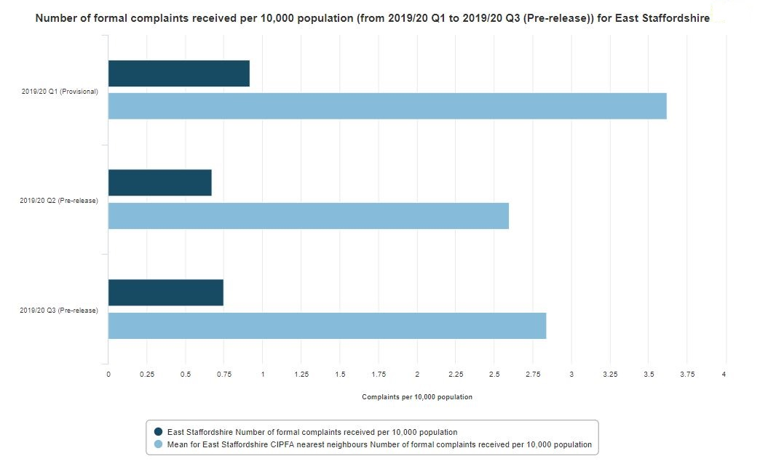
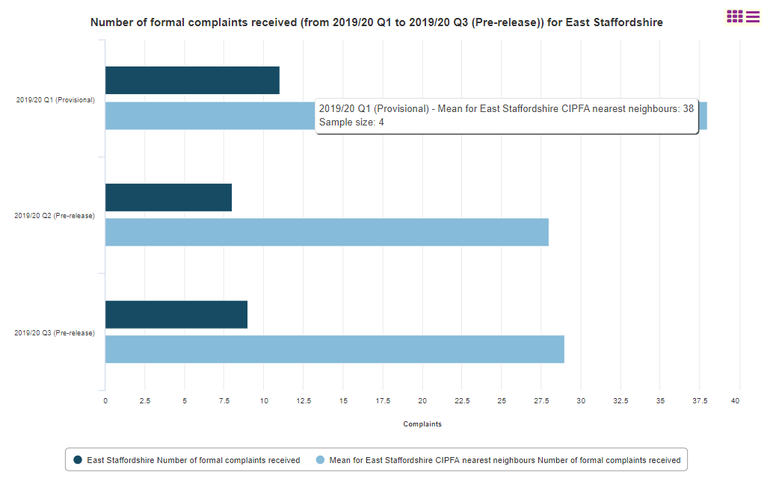
Comparsion with CIPFA Family Group authorities
Number of formal complaints received 2019/20*
*LG Inform suspended data collection during the Covid-19 pandemic so data for Quarter 4 2020 is not yet available
AUTHORITY NAME | Q1 | OVERALL RANK | FAMILY RANK | AUTHORITY NAME | Q2 | OVERALL RANK | FAMILY RANK | AUTHORITY NAME | Q3 | OVERALL RANK | FAMILY RANK | AUTHORITY NAME | TOTAL Reported | OVERALL RANK | FAMILY RANK
Carlisle | 6 | 3 | 1 | Carlisle | 5 | 2 | 1 | East Staffordshire | 9 | 6 | 1 | Carlisle | 11** | 3 | 1
East Staffordshire | 11 | 9 | 2 | East Staffordshire | 8 | 6 | 2 | High Peak | 28 | 14 | 2 | East Staffordshire | 28 | 8 | 2
Newark and Sherwood | 31 | 23 | 3 | High Peak | 27 | 19 | 3 | Rugby | 29 | 15 | 3 | Newark and Sherwood | 72** | 20 | 3
High Peak | 47 | 26 | 4 | Rugby | 40 | 23 | 4 | Carlisle | Missing | NA | NA | High Peak | 102 | 24 | 4
Rugby | 69 | 29 | 5 | Newark and Sherwood | 41 | 24 | 5 | Newark and Sherwood | Missing | NA | NA | Rugby | 138 | 27 | 5
 |  |  |  |  |  |  |  |  |  |  |  | ** Authority did not submit data for all quarters
Number of formal complaints received 2019/20 per 10,000 population
AUTHORITY NAME | Q1 | OVERALL RANK | FAMILY RANK | AUTHORITY NAME | Q2 | OVERALL RANK | FAMILY RANK | AUTHORITY NAME | Q3 | OVERALL RANK | FAMILY RANK
Carlisle | 0.55 | 3 | 1 | Carlisle | 0.46 | 2 | 1 | East Staffordshire | 0.75 | 5 | 1
East Staffordshire | 0.92 | 7 | 2 | East Staffordshire | 0.67 | 4 | 2 | Rugby | 2.66 | 15 | 2
Newark and Sherwood | 2.53 | 19 | 3 | High Peak | 2.91 | 20 | 3 | High Peak | 3.02 | 18 | 3
High Peak | 5.07 | 28 | 4 | Newark and Sherwood | 3.35 | 21 | 4 | Kettering | Missing | NA | NA
Rugby | 6.34 | 32 | 5 | Rugby | 3.67 | 24 | 5 | Bassetlaw | Missing | NA | NA
Kettering | Missing | NA | NA | Kettering | Missing | NA | NA | Carlisle | Missing | NA | NA
Bassetlaw | Missing | NA | NA | Bassetlaw | Missing | NA | NA | South Kesteven | Missing | NA | NA
South Kesteven | Missing | NA | NA | South Kesteven | Missing | NA | NA | Newark and Sherwood | Missing | NA | NA
Wellingborough | Missing | NA | NA | Wellingborough | Missing | NA | NA | Wellingborough | Missing | NA | NA
Chorley | Missing | NA | NA | Chorley | Missing | NA | NA | Chorley | Missing | NA | NA
Ashford | Missing | NA | NA | Ashford | Missing | NA | NA | Ashford | Missing | NA | NA
North West Leicestershire | Missing | NA | NA | North West Leicestershire | Missing | NA | NA | North West Leicestershire | Missing | NA | NA
Cannock Chase | Missing | NA | NA | Cannock Chase | Missing | NA | NA | Cannock Chase | Missing | NA | NA
Lancaster | Missing | NA | NA | Lancaster | Missing | NA | NA | Lancaster | Missing | NA | NA

Bar- formal complaints
 |  | 2019/20 q1 (provisional) | 2019/20 q2 (pre-release) | 2019/20 q3 (pre-release)
E07000009 | East Cambridgeshire | Missing | Missing | Missing
E07000012 | South Cambridgeshire | Missing | Missing | Missing
E07000028 | Carlisle | 6 | 5 | Missing | Number of formal complaints received (from 2019/20 Q1 to 2019/20 Q4) (Pre Release) for all English District Authorities
E07000031 | South Lakeland | Missing | Missing | Missing
E07000042 | Mid Devon | 100 | 87 | Missing |  | Q1 | Q2 | Q3
E07000045 | Teignbridge | Missing | Missing | Missing | Average for all English District Authorities | 77.35 | 72.18 | 65.27
E07000062 | Hastings | Missing | Missing | Missing | East Staffordshire Borough Council | 11 | 8 | 9
E07000065 | Wealden | Missing | Missing | Missing
Number of formal complaints received (from 2019/20 Q1 to Q3) (Pre Release) for all English District Authorities
 | Average for all English District Authorities | East Staffordshire Borough Council
Q1 | 77.35 | 11
Q2 | 72.18 | 8
Q3 | 65.27 | 9
E07000068 | Brentwood | Missing | Missing | Missing
E07000071 | Colchester | Missing | Missing | Missing
E07000074 | Maldon | Missing | Missing | Missing
E07000082 | Stroud | Missing | Missing | Missing
E07000085 | East Hampshire | Missing | Missing | Missing
E07000088 | Gosport | Missing | Missing | Missing
E07000091 | New Forest | Missing | Missing | Missing
E07000094 | Winchester | Missing | Missing | Missing
E07000102 | Three Rivers | Missing | Missing | Missing
E07000105 | Ashford | Missing | Missing | Missing
E07000108 | Dover | Missing | Missing | Missing
E07000111 | Sevenoaks | 16 | 14 | 16
E07000114 | Thanet | Missing | Missing | Missing
E07000117 | Burnley | Missing | Missing | Missing
E07000125 | Rossendale | Missing | Missing | Missing
E07000128 | Wyre | Missing | Missing | Missing
E07000131 | Harborough | Missing | Missing | Missing
E07000134 | North West Leicestershire | Missing | Missing | Missing
E07000137 | East Lindsey | Missing | Missing | Missing
E07000145 | Great Yarmouth | Missing | Missing | Missing
E07000148 | Norwich | Missing | Missing | Missing
E07000151 | Daventry | 301 | 231 | 167
E07000154 | Northampton | 657 | 530 | 529
E07000163 | Craven | Missing | Missing | Missing
E07000171 | Bassetlaw | Missing | Missing | Missing
E07000174 | Mansfield | Missing | Missing | Missing
E07000177 | Cherwell | 86 | 79 | 64
E07000180 | Vale of White Horse | Missing | Missing | Missing
E07000188 | Sedgemoor | Missing | Missing | Missing
E07000196 | South Staffordshire | 15 | 19 | 8
E07000199 | Tamworth | Missing | Missing | Missing
E07000202 | Ipswich | 167 | 147 | 93
E07000208 | Epsom and Ewell | 111 | 129 | Missing
E07000211 | Reigate and Banstead | Missing | Missing | Missing
E07000219 | Nuneaton and Bedworth | 225 | 236 | 196
E07000222 | Warwick | Missing | Missing | Missing
E07000225 | Chichester | Missing | Missing | Missing
E07000228 | Mid Sussex | 72 | 58 | 44
E07000235 | Malvern Hills | 10 | 7 | 8
E07000011 | Huntingdonshire | Missing | Missing | Missing
E07000027 | Barrow-in-Furness | Missing | Missing | Missing
E07000030 | Eden | Missing | Missing | Missing
E07000033 | Bolsover | Missing | Missing | Missing
E07000036 | Erewash | 32 | 52 | 41
E07000039 | South Derbyshire | Missing | Missing | Missing
E07000047 | West Devon | Missing | Missing | Missing
E07000067 | Braintree | 121 | 145 | 111
E07000070 | Chelmsford | Missing | Missing | Missing
E07000073 | Harlow | Missing | Missing | Missing
E07000076 | Tendring | Missing | Missing | Missing
E07000079 | Cotswold | Missing | Missing | Missing
E07000087 | Fareham | Missing | Missing | Missing
E07000090 | Havant | Missing | Missing | Missing
E07000093 | Test Valley | Missing | Missing | Missing
E07000096 | Dacorum | Missing | Missing | Missing
E07000099 | North Hertfordshire | Missing | Missing | Missing
E07000107 | Dartford | Missing | Missing | Missing
E07000110 | Maidstone | Missing | Missing | Missing
E07000113 | Swale | 97 | 207 | 126
E07000116 | Tunbridge Wells | Missing | Missing | Missing
E07000119 | Fylde | Missing | Missing | Missing
E07000122 | Pendle | Missing | Missing | Missing
E07000130 | Charnwood | 29 | 24 | Missing
E07000133 | Melton | Missing | Missing | Missing
E07000136 | Boston | 27 | 16 | 30
E07000139 | North Kesteven | Missing | Missing | Missing
E07000142 | West Lindsey | Missing | Missing | Missing
E07000150 | Corby | Missing | Missing | Missing
E07000153 | Kettering | Missing | Missing | Missing
E07000156 | Wellingborough | Missing | Missing | Missing
E07000165 | Harrogate | 87 | 58 | 41
E07000168 | Scarborough | 182 | 153 | 120
E07000176 | Rushcliffe | 9 | 9 | 11
E07000179 | South Oxfordshire | Missing | Missing | Missing
E07000187 | Mendip | Missing | Missing | Missing
E07000193 | East Staffordshire | 11 | 8 | 9
E07000207 | Elmbridge | Missing | Missing | Missing
E07000210 | Mole Valley | Missing | Missing | Missing
E07000213 | Spelthorne | Missing | Missing | Missing
E07000216 | Waverley | 78 | 96 | 84
E07000224 | Arun | Missing | Missing | Missing
E07000227 | Horsham | Missing | Missing | Missing
E07000234 | Bromsgrove | Missing | Missing | Missing
E07000237 | Worcester | Missing | Missing | Missing
E07000008 | Cambridge | Missing | Missing | Missing
E07000029 | Copeland | Missing | Missing | Missing
E07000032 | Amber Valley | Missing | Missing | Missing
E07000035 | Derbyshire Dales | Missing | Missing | Missing
E07000038 | North East Derbyshire | Missing | Missing | Missing
E07000041 | Exeter | Missing | Missing | Missing
E07000044 | South Hams | Missing | Missing | Missing
E07000061 | Eastbourne | Missing | Missing | Missing
E07000064 | Rother | 21 | 27 | 21
E07000072 | Epping Forest | Missing | Missing | Missing
E07000075 | Rochford | 57 | 65 | 55
E07000078 | Cheltenham | Missing | Missing | Missing
E07000081 | Gloucester | Missing | Missing | Missing
E07000084 | Basingstoke and Deane | Missing | Missing | Missing
E07000092 | Rushmoor | Missing | Missing | Missing
E07000095 | Broxbourne | Missing | Missing | Missing
E07000098 | Hertsmere | Missing | Missing | Missing
E07000243 | Stevenage | Missing | Missing | Missing
E07000241 | Welwyn Hatfield | Missing | Missing | Missing
E07000112 | Folkestone and Hythe | Missing | Missing | Missing
E07000115 | Tonbridge and Malling | Missing | Missing | Missing
E07000118 | Chorley | Missing | Missing | Missing
E07000121 | Lancaster | Missing | Missing | Missing
E07000124 | Ribble Valley | Missing | Missing | Missing
E07000127 | West Lancashire | Missing | Missing | Missing
E07000135 | Oadby and Wigston | Missing | Missing | Missing
E07000138 | Lincoln | 85 | 80 | 104
E07000141 | South Kesteven | Missing | Missing | Missing
E07000144 | Broadland | Missing | Missing | Missing
E07000147 | North Norfolk | 304 | 56 | 45
E07000155 | South Northamptonshire | 17 | 37 | 31
E07000164 | Hambleton | 28 | 20 | 25
E07000167 | Ryedale | Missing | Missing | Missing
E07000170 | Ashfield | 20 | 18 | 30
E07000173 | Gedling | 87 | 115 | 84
E07000181 | West Oxfordshire | Missing | Missing | Missing
E07000189 | South Somerset | Missing | Missing | Missing
E07000192 | Cannock Chase | Missing | Missing | Missing
E07000195 | Newcastle-under-Lyme | 61 | 77 | 44
E07000198 | Staffordshire Moorlands | 20 | 18 | 14
E07000209 | Guildford | Missing | Missing | Missing
E07000212 | Runnymede | Missing | Missing | Missing
E07000215 | Tandridge | Missing | Missing | Missing
E07000218 | North Warwickshire | 19 | 15 | 13
E07000221 | Stratford-on-Avon | 4 | 3 | 9
E07000229 | Worthing | Missing | Missing | Missing
E07000236 | Redditch | Missing | Missing | Missing
E07000239 | Wyre Forest | Missing | Missing | Missing
E07000010 | Fenland | Missing | Missing | Missing
E07000026 | Allerdale | Missing | Missing | Missing
E07000034 | Chesterfield | Missing | Missing | Missing
E07000037 | High Peak | 47 | 27 | 28
E07000040 | East Devon | Missing | Missing | Missing
E07000043 | North Devon | Missing | Missing | Missing
E07000046 | Torridge | 9 | Missing | Missing
E07000063 | Lewes | Missing | Missing | Missing
E07000066 | Basildon | Missing | Missing | Missing
E07000069 | Castle Point | Missing | Missing | Missing
E07000077 | Uttlesford | Missing | Missing | Missing
E07000080 | Forest of Dean | Missing | Missing | Missing
E07000083 | Tewkesbury | 7 | 7 | 3
E07000086 | Eastleigh | Missing | Missing | Missing
E07000089 | Hart | Missing | Missing | Missing
E07000242 | East Hertfordshire | 27 | 19 | Missing
E07000240 | St Albans | Missing | Missing | Missing
E07000103 | Watford | Missing | Missing | Missing
E07000106 | Canterbury | Missing | Missing | Missing
E07000109 | Gravesham | Missing | Missing | Missing
E07000120 | Hyndburn | Missing | Missing | Missing
E07000123 | Preston | Missing | Missing | Missing
E07000126 | South Ribble | Missing | Missing | Missing
E07000129 | Blaby | Missing | Missing | Missing
E07000132 | Hinckley and Bosworth | 33 | 38 | 63
E07000140 | South Holland | Missing | Missing | Missing
E07000143 | Breckland | Missing | Missing | Missing
E07000146 | King's Lynn and West Norfolk | 9 | 7 | 5
E07000149 | South Norfolk | Missing | Missing | Missing
E07000152 | East Northamptonshire | Missing | Missing | Missing
E07000166 | Richmondshire | Missing | Missing | Missing
E07000169 | Selby | Missing | Missing | Missing
E07000172 | Broxtowe | 115 | 123 | 96
E07000175 | Newark and Sherwood | 31 | 41 | Missing
E07000178 | Oxford | Missing | Missing | Missing
E07000194 | Lichfield | 28 | 20 | 18
E07000197 | Stafford | Missing | Missing | Missing
E07000200 | Babergh | Missing | Missing | Missing
E07000203 | Mid Suffolk | Missing | Missing | Missing
E07000214 | Surrey Heath | 3 | Missing | Missing
E07000217 | Woking | Missing | Missing | Missing
E07000220 | Rugby | 69 | 40 | 29
E07000223 | Adur | Missing | Missing | Missing
E07000226 | Crawley | Missing | Missing | Missing
E07000238 | Wychavon | 18 | 13 | Missing
E07000244 | East Suffolk | Missing | Missing | Missing
E07000245 | West Suffolk | Missing | Missing | Missing
E07000246 | Somerset West and Taunton | Missing | Missing | Missing
 |  | 77.35 | 72.18 | 65.27

Bar -per 10,000
 |  | 2019/20 q1 (provisional) | 2019/20 q2 (pre-release) | 2019/20 q3 (pre-release)
E07000009 | East Cambridgeshire | Missing | Missing | Missing
E07000012 | South Cambridgeshire | Missing | Missing | Missing
E07000028 | Carlisle | 0.55 | 0.46 | Missing |  | Number of formal complaints received per 10,000 population from Q1 2019/20 to Q4 2019/20 (Pre Release) for all English District Local Authorties
E07000031 | South Lakeland | Missing | Missing | Missing
E07000042 | Mid Devon | 12.15 | 10.57 | Missing |  |  | Q1 | Q2 | Q3
E07000045 | Teignbridge | Missing | Missing | Missing |  | Average for all English Authorities | 6.37 | 5.86 | 5.10
E07000062 | Hastings | Missing | Missing | Missing |  | East Staffordshire Borough Council | 0.92 | 0.67 | 0.75
E07000065 | Wealden | Missing | Missing | Missing
Number of formal complaints received per 10,000 population 2019/20 from Q1 to Q3 (Pre Release) for all English District Local Authorities
 | Average for all English Authorities | East Staffordshire Borough Council
Q1 | 6.37 | 0.92
Q2 | 5.86 | 0.67
Q3 | 5.10 | 0.75
E07000068 | Brentwood | Missing | Missing | Missing
E07000071 | Colchester | Missing | Missing | Missing
E07000074 | Maldon | Missing | Missing | Missing
E07000082 | Stroud | Missing | Missing | Missing
E07000085 | East Hampshire | Missing | Missing | Missing
E07000088 | Gosport | Missing | Missing | Missing
E07000091 | New Forest | Missing | Missing | Missing
E07000094 | Winchester | Missing | Missing | Missing
E07000102 | Three Rivers | Missing | Missing | Missing
E07000105 | Ashford | Missing | Missing | Missing
E07000108 | Dover | Missing | Missing | Missing
E07000111 | Sevenoaks | 1.32 | 1.16 | 1.32
E07000114 | Thanet | Missing | Missing | Missing
E07000117 | Burnley | Missing | Missing | Missing
E07000125 | Rossendale | Missing | Missing | Missing
E07000128 | Wyre | Missing | Missing | Missing
E07000131 | Harborough | Missing | Missing | Missing
E07000134 | North West Leicestershire | Missing | Missing | Missing
E07000137 | East Lindsey | Missing | Missing | Missing
E07000145 | Great Yarmouth | Missing | Missing | Missing
E07000148 | Norwich | Missing | Missing | Missing
E07000151 | Daventry | 35 | 26.86 | 19.42
E07000154 | Northampton | 29.25 | 23.6 | 23.55
E07000163 | Craven | Missing | Missing | Missing
E07000171 | Bassetlaw | Missing | Missing | Missing
E07000174 | Mansfield | Missing | Missing | Missing
E07000177 | Cherwell | 5.71 | 5.25 | 4.25
E07000180 | Vale of White Horse | Missing | Missing | Missing
E07000188 | Sedgemoor | Missing | Missing | Missing
E07000196 | South Staffordshire | 1.33 | 1.69 | 0.71
E07000199 | Tamworth | Missing | Missing | Missing
E07000202 | Ipswich | 12.2 | 10.74 | 6.79
E07000208 | Epsom and Ewell | 13.77 | 16 | Missing
E07000211 | Reigate and Banstead | Missing | Missing | Missing
E07000219 | Nuneaton and Bedworth | 17.32 | 18.17 | 15.09
E07000222 | Warwick | Missing | Missing | Missing
E07000225 | Chichester | Missing | Missing | Missing
E07000228 | Mid Sussex | 4.77 | 3.84 | 2.91
E07000235 | Malvern Hills | 1.27 | 0.89 | 1.02
E07000011 | Huntingdonshire | Missing | Missing | Missing
E07000027 | Barrow-in-Furness | Missing | Missing | Missing
E07000030 | Eden | Missing | Missing | Missing
E07000033 | Bolsover | Missing | Missing | Missing
E07000036 | Erewash | 2.77 | 4.51 | 3.55
E07000039 | South Derbyshire | Missing | Missing | Missing
E07000047 | West Devon | Missing | Missing | Missing
E07000067 | Braintree | 7.93 | 9.5 | 7.27
E07000070 | Chelmsford | Missing | Missing | Missing
E07000073 | Harlow | Missing | Missing | Missing
E07000076 | Tendring | Missing | Missing | Missing
E07000079 | Cotswold | Missing | Missing | Missing
E07000087 | Fareham | Missing | Missing | Missing
E07000090 | Havant | Missing | Missing | Missing | #DIV/0!
E07000093 | Test Valley | Missing | Missing | Missing
E07000096 | Dacorum | Missing | Missing | Missing
E07000099 | North Hertfordshire | Missing | Missing | Missing
E07000107 | Dartford | Missing | Missing | Missing
E07000110 | Maidstone | Missing | Missing | Missing
E07000113 | Swale | 6.46 | 13.79 | 8.39
E07000116 | Tunbridge Wells | Missing | Missing | Missing
E07000119 | Fylde | Missing | Missing | Missing
E07000122 | Pendle | Missing | Missing | Missing
E07000130 | Charnwood | 1.56 | 1.29 | Missing
E07000133 | Melton | Missing | Missing | Missing
E07000136 | Boston | 3.85 | 2.28 | 4.27
E07000139 | North Kesteven | Missing | Missing | Missing
E07000142 | West Lindsey | Missing | Missing | Missing
E07000150 | Corby | Missing | Missing | Missing
E07000153 | Kettering | Missing | Missing | Missing
E07000156 | Wellingborough | Missing | Missing | Missing
E07000165 | Harrogate | 5.41 | 3.61 | 2.55
E07000168 | Scarborough | 16.73 | 14.06 | 11.03
E07000176 | Rushcliffe | 0.76 | 0.76 | 0.92
E07000179 | South Oxfordshire | Missing | Missing | Missing
E07000187 | Mendip | Missing | Missing | Missing
E07000193 | East Staffordshire | 0.92 | 0.67 | 0.75
E07000207 | Elmbridge | Missing | Missing | Missing
E07000210 | Mole Valley | Missing | Missing | Missing
E07000213 | Spelthorne | Missing | Missing | Missing
E07000216 | Waverley | 6.18 | 7.6 | 6.65
E07000224 | Arun | Missing | Missing | Missing
E07000227 | Horsham | Missing | Missing | Missing
E07000234 | Bromsgrove | Missing | Missing | Missing
E07000237 | Worcester | Missing | Missing | Missing
E07000008 | Cambridge | Missing | Missing | Missing
E07000029 | Copeland | Missing | Missing | Missing
E07000032 | Amber Valley | Missing | Missing | Missing
E07000035 | Derbyshire Dales | Missing | Missing | Missing
E07000038 | North East Derbyshire | Missing | Missing | Missing
E07000041 | Exeter | Missing | Missing | Missing
E07000044 | South Hams | Missing | Missing | Missing
E07000061 | Eastbourne | Missing | Missing | Missing
E07000064 | Rother | 2.19 | 2.81 | 2.19
E07000072 | Epping Forest | Missing | Missing | Missing
E07000075 | Rochford | 6.52 | 7.44 | 6.29
E07000078 | Cheltenham | Missing | Missing | Missing
E07000081 | Gloucester | Missing | Missing | Missing
E07000084 | Basingstoke and Deane | Missing | Missing | Missing
E07000092 | Rushmoor | Missing | Missing | Missing
E07000095 | Broxbourne | Missing | Missing | Missing
E07000098 | Hertsmere | Missing | Missing | Missing
E07000243 | Stevenage | Missing | Missing | Missing
E07000241 | Welwyn Hatfield | Missing | Missing | Missing
E07000112 | Folkestone and Hythe | Missing | Missing | Missing
E07000115 | Tonbridge and Malling | Missing | Missing | Missing
E07000118 | Chorley | Missing | Missing | Missing
E07000121 | Lancaster | Missing | Missing | Missing
E07000124 | Ribble Valley | Missing | Missing | Missing
E07000127 | West Lancashire | Missing | Missing | Missing
E07000135 | Oadby and Wigston | Missing | Missing | Missing
E07000138 | Lincoln | 8.56 | 8.06 | 10.47
E07000141 | South Kesteven | Missing | Missing | Missing
E07000144 | Broadland | Missing | Missing | Missing
E07000147 | North Norfolk | 29.01 | 5.34 | 4.29
E07000155 | South Northamptonshire | 1.8 | 3.92 | 3.28
E07000164 | Hambleton | 3.06 | 2.18 | 2.73
E07000167 | Ryedale | Missing | Missing | Missing
E07000170 | Ashfield | 1.56 | 1.41 | 2.35
E07000173 | Gedling | 7.38 | 9.75 | 7.12
E07000181 | West Oxfordshire | Missing | Missing | Missing
E07000189 | South Somerset | Missing | Missing | Missing
E07000192 | Cannock Chase | Missing | Missing | Missing
E07000195 | Newcastle-under-Lyme | 4.71 | 5.95 | 3.4
E07000198 | Staffordshire Moorlands | 2.03 | 1.83 | 1.42
E07000209 | Guildford | Missing | Missing | Missing
E07000212 | Runnymede | Missing | Missing | Missing
E07000215 | Tandridge | Missing | Missing | Missing
E07000218 | North Warwickshire | 2.91 | 2.3 | 1.99
E07000221 | Stratford-on-Avon | 0.31 | 0.23 | 0.69
E07000229 | Worthing | Missing | Missing | Missing
E07000236 | Redditch | Missing | Missing | Missing
E07000239 | Wyre Forest | Missing | Missing | Missing
E07000010 | Fenland | Missing | Missing | Missing
E07000026 | Allerdale | Missing | Missing | Missing
E07000034 | Chesterfield | Missing | Missing | Missing
E07000037 | High Peak | 5.07 | 2.91 | 3.02
E07000040 | East Devon | Missing | Missing | Missing
E07000043 | North Devon | Missing | Missing | Missing
E07000046 | Torridge | 1.32 | Missing | Missing
E07000063 | Lewes | Missing | Missing | Missing
E07000066 | Basildon | Missing | Missing | Missing
E07000069 | Castle Point | Missing | Missing | Missing
E07000077 | Uttlesford | Missing | Missing | Missing
E07000080 | Forest of Dean | Missing | Missing | Missing
E07000083 | Tewkesbury | 0.74 | 0.74 | 0.32
E07000086 | Eastleigh | Missing | Missing | Missing
E07000089 | Hart | Missing | Missing | Missing
E07000242 | East Hertfordshire | 1.8 | 1.27 | Missing
E07000240 | St Albans | Missing | Missing | Missing
E07000103 | Watford | Missing | Missing | Missing
E07000106 | Canterbury | Missing | Missing | Missing
E07000109 | Gravesham | Missing | Missing | Missing
E07000120 | Hyndburn | Missing | Missing | Missing
E07000123 | Preston | Missing | Missing | Missing
E07000126 | South Ribble | Missing | Missing | Missing
E07000129 | Blaby | Missing | Missing | Missing
E07000132 | Hinckley and Bosworth | 2.92 | 3.36 | 5.57
E07000140 | South Holland | Missing | Missing | Missing
E07000143 | Breckland | Missing | Missing | Missing
E07000146 | King's Lynn and West Norfolk | 0.59 | 0.46 | 0.33
E07000149 | South Norfolk | Missing | Missing | Missing
E07000152 | East Northamptonshire | Missing | Missing | Missing
E07000166 | Richmondshire | Missing | Missing | Missing
E07000169 | Selby | Missing | Missing | Missing
E07000172 | Broxtowe | 10.09 | 10.79 | 8.42
E07000175 | Newark and Sherwood | 2.53 | 3.35 | Missing
E07000178 | Oxford | Missing | Missing | Missing
E07000194 | Lichfield | 2.67 | 1.91 | 1.72
E07000197 | Stafford | Missing | Missing | Missing
E07000200 | Babergh | Missing | Missing | Missing
E07000203 | Mid Suffolk | Missing | Missing | Missing
E07000214 | Surrey Heath | 0.34 | Missing | Missing
E07000217 | Woking | Missing | Missing | Missing
E07000220 | Rugby | 6.34 | 3.67 | 2.66
E07000223 | Adur | Missing | Missing | Missing
E07000226 | Crawley | Missing | Missing | Missing
E07000238 | Wychavon | 1.39 | 1 | Missing
E07000244 | East Suffolk | Missing | Missing | Missing
E07000245 | West Suffolk | Missing | Missing | Missing
E07000246 | Somerset West and Taunton | Missing | Missing | Missing
 |  | 6.37 | 5.86 | 5.10

Bar -Staffs
 | Q1 | Q2 | Q3 | q4
 | Complaints | Complaints | Complaints | Complaints
 | Q1 | Q2 | Q3 | q4
East Staffordshire | 11 | 8 | 9 | Not collated* | Number of formal complaints received from 2019/20 Q1 to Q3 (Pre Release) for district local authorities in Staffordshire
South Staffordshire | 15 | 19 | 8 | Not collated*
Staffordshire Moorlands | 20 | 18 | 14 | Not collated* |  | Q1 | Q2 | Q3 | Q4* | *LG Inform suspended data collection during the Covid-19 pandemic
Lichfield | 28 | 20 | 18 | Not collated* | Average fo Staffordshire | 27.00 | 28.40 | 18.60 | 0.00
Newcastle-under-Lyme | 61 | 77 | 44 | Not collated* | East Staffordshire Borough Council | 11 | 8 | 9 | 0
 | 27 | 28.4 | 18.6

Number of formal complaints received by Staffordshire District LAs 2019/20 by Quarter
Number of formal complaints received from 2019/20 Q1 to Q3 (Pre Release) for Staffordshire District LAs

Bar -Staffs 10k
 |  | Q1 | Q2 | Q3
E07000193 | East Staffordshire | 0.92 | 0.67 | 0.75 |  | Number of formal complaints received per 10,000 population from Q1 2019/20 to Q4 2019/20 (Pre Release) for Staffordshire District LAs
E07000196 | South Staffordshire | 1.33 | 1.69 | 0.71
Number of formal complaints received per 10,000 population 2019/20 from Q1 to Q3 (Pre Release) for Staffordshire District LAs
E07000198 | Staffordshire Moorlands | 2.03 | 1.83 | 1.42 |  |  | Q1 | Q2 | Q3
E07000194 | Lichfield | 2.67 | 1.91 | 1.72 |  | Average for Staffordshire | 2.33 | 2.41 | 1.60
E07000195 | Newcastle-under-Lyme | 4.71 | 5.95 | 3.4 |  | East Staffordshire Borough Council | 0.92 | 0.67 | 0.75
E07000199 | Tamworth | Missing | Missing | Missing
E07000192 | Cannock Chase | Missing | Missing | Missing
E07000197 | Stafford | Missing | Missing | Missing
 |  | 2.332 | 2.41 | 1.6
Number of formal complaints received per 10,000 population 2019/20 (Pre Release) for Staffordshire District LAs

 |  |  |  |  | #DIV/0!

Bar- CIPFA
 | 2019/20 q1 (provisional) | 2019/20 q2 (pre-release) | 2019/20 q3 (pre-release)
Kettering | Missing | Missing | Missing
Bassetlaw | Missing | Missing | Missing
Carlisle | 6 | 5 | Missing | Number of formal complaints received (from 2019/20 Q1 to 2019/20 Q4) (Pre Release) for CIPFA Family Group
Rugby | 69 | 40 | 29
South Kesteven | Missing | Missing | Missing |  | Q1 | Q2 | Q3
Newark and Sherwood | 31 | 41 | Missing | Average for CIPFA Family Group | 32.80 | 24.20 | 22.00
Wellingborough | Missing | Missing | Missing | East Staffordshire Borough Council | 11 | 8 | 9
Chorley | Missing | Missing | Missing
Number of formal complaints received (from 2019/20 Q1 to Q3) (Pre Release) for CIPFA Family Group
 | Average for CIPFA Family Group | East Staffordshire Borough Council
Q1 | 32.80 | 11
Q2 | 24.20 | 8
Q3 | 22.00 | 9
Ashford | Missing | Missing | Missing
North West Leicestershire | Missing | Missing | Missing
Cannock Chase | Missing | Missing | Missing
Lancaster | Missing | Missing | Missing
High Peak | 47 | 27 | 28
East Staffordshire | 11 | 8 | 9
 | 32.8 | 24.2 | 22

Bar CIPFA per 10k
 | 2019/20 q1 (provisional) | 2019/20 q2 (pre-release) | 2019/20 q3 (pre-release)
Ashford | Missing | Missing | Missing
Bassetlaw | Missing | Missing | Missing
Cannock Chase | Missing | Missing | Missing |  | Number of formal complaints received per 10,000 population from Q1 2019/20 to Q4 2019/20 (Pre Release) for CIPFA family group
Carlisle | 0.55 | 0.46 | Missing
Chorley | Missing | Missing | Missing |  |  | Q1 | Q2 | Q3
East Staffordshire | 0.92 | 0.67 | 0.75 |  | Average for CIPFA Family Group | 3.08 | 2.21 | 2.14
High Peak | 5.07 | 2.91 | 3.02 |  | East Staffordshire Borough Council | 0.92 | 0.67 | 0.75
Kettering | Missing | Missing | Missing
Number of formal complaints received per 10,000 population 2019/20 from Q1 to Q3 (Pre Release) for CIPFA Family Group
 | Average for CIPFA Family Group | East Staffordshire Borough Council
Q1 | 3.08 | 0.92
Q2 | 2.21 | 0.67
Q3 | 2.14 | 0.75
Lancaster | Missing | Missing | Missing
Newark and Sherwood | 2.53 | 3.35 | Missing
North West Leicestershire | Missing | Missing | Missing
Rugby | 6.34 | 3.67 | 2.66
South Kesteven | Missing | Missing | Missing
Wellingborough | Missing | Missing | Missing
 | 3.08 | 2.21 | 2.14

 |  |  |  | #DIV/0!

